summary
Map | Representation | Total Violation |  |  | Collision |  |  | Speeding |  |  | USLC |  |  | FastAccl |  |  | HardBrake
 |  | AVG. | MIN. | MAX. | AVG. | MIN. | MAX. | AVG. | MIN. | MAX. | AVG. | MIN. | MAX. | AVG. | MIN. | MAX. | AVG. | MIN. | MAX.
Borreags | Mutable | 363 | 336 | 411 | 180 | 150 | 198 | 0 | 0 | 0 | 51 | 33 | 93 | 61 | 41 | 90 | 71 | 51 | 78
 | Immutable | 295 | 254 | 390 | 122 | 117 | 128 | 0 | 0 | 0 | 48 | 27 | 106 | 57 | 47 | 84 | 69 | 37 | 83
 | Random | 318 | 287 | 345 | 148 | 121 | 163 | 0 | 0 | 0 | 51 | 29 | 93 | 53 | 42 | 63 | 66 | 48 | 76
San Mateo | Mutable | 313 | 257 | 358 | 113 | 98 | 126 | 14 | 10 | 17 | 84 | 60 | 123 | 49 | 39 | 57 | 53 | 43 | 67
 | Immutable | 237 | 226 | 252 | 69 | 57 | 79 | 10 | 5 | 15 | 76 | 64 | 98 | 34 | 23 | 42 | 48 | 40 | 62
 | Random | 225 | 212 | 240 | 68 | 63 | 78 | 10 | 9 | 12 | 72 | 48 | 81 | 36 | 24 | 44 | 39 | 33 | 43
Sunnyvale | Mutable | 349 | 319 | 380 | 93 | 74 | 106 | 7 | 5 | 12 | 156 | 115 | 183 | 22 | 17 | 30 | 72 | 61 | 85
 | Immutable | 298 | 227 | 357 | 55 | 45 | 70 | 8 | 7 | 11 | 151 | 96 | 181 | 18 | 14 | 24 | 66 | 57 | 83
 | Random | 284 | 253 | 304 | 48 | 41 | 52 | 8 | 5 | 13 | 146 | 116 | 160 | 20 | 15 | 24 | 61 | 56 | 70
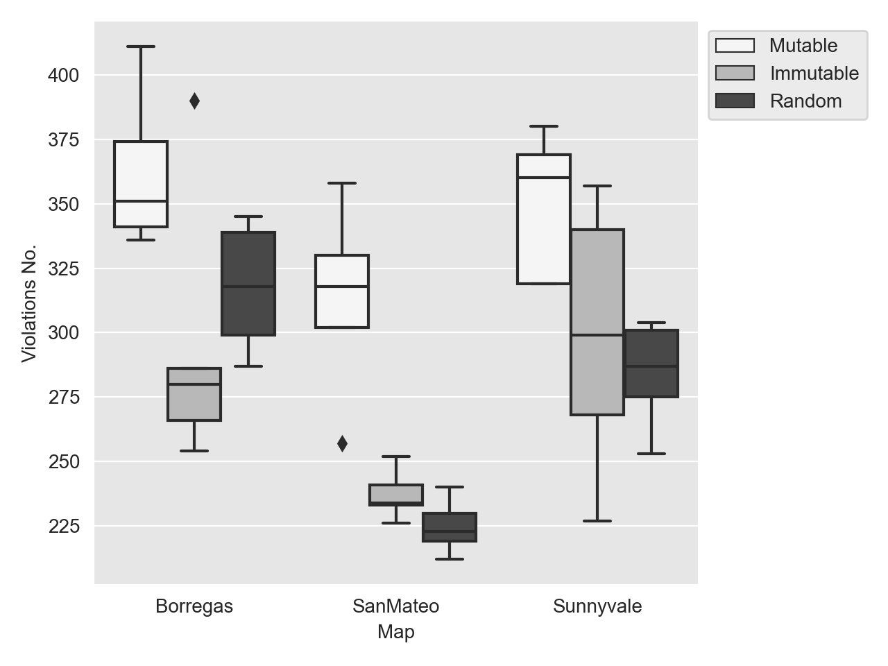

All Maps
Effect Size and Significance Tests (Mutable with Immutable & Random) | Statstical Measures/ Violations | A12 |  |  |  | Mutable | Immutable | Random | Immut % | Rand %
 |  | Immutable | Random |  | Collision | 386 | 246 | 264 | 56.91% | 46.21%
 | Collision | 0.80 | 0.77 |  | Speed | 21 | 18 | 18 | 16.67% | 16.67%
 | Speeding | 0.58 | 0.57 |  | USLC | 291 | 275 | 269 | 5.82% | 8.18%
 | USLC | 0.54 | 0.54 |  | FastAccl | 132 | 109 | 109 | 21.10% | 21.10%
 | FastAccl | 0.63 | 0.61 |  | HardBrake | 196 | 183 | 166 | 7.10% | 18.07%
 | HardBrake | 0.59 | 0.71 |  | Total V. | 1026 | 831 | 826 | 23.47% | 24.21%
 | Total Violations | 0.84 | 0.89

 | p-value
 | Immutable | Random
 | 0.050 | 0.030

